LOCATOR MAP
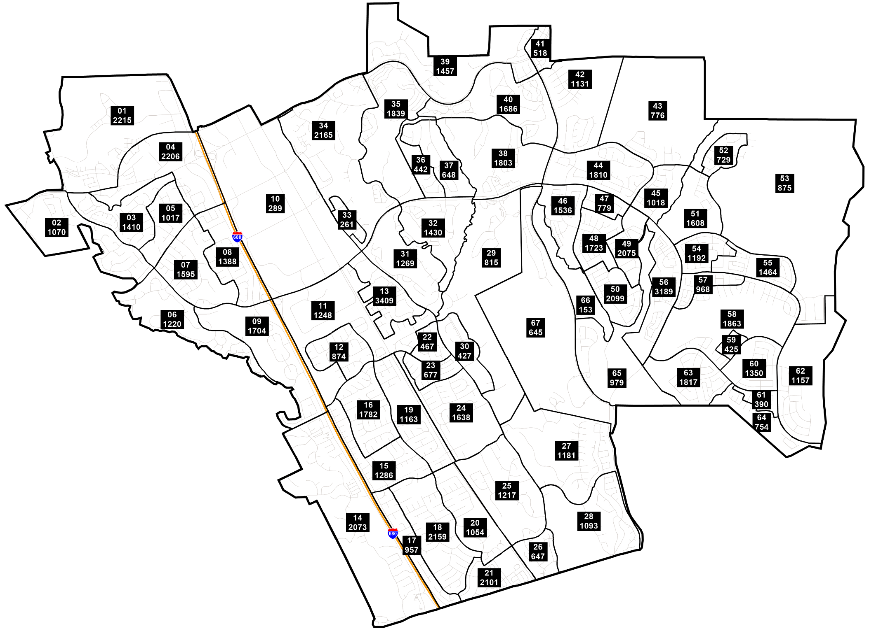
San Ramon Redistricting Proposal
Locator map

